Ipywidgets
Ipywidgets: Interactive browser controls
from ipywidgets import interact, widgets
Type | Name | Arguments | Description | URL | Examples | Reference
Numeric Widgets | IntSlider() | widgets.IntSlider( value=7, min=0, max=10, step=1, description='Test:', disabled=False, continuous_update=False, orientation='horizontal', readout=True, readout_format='d' ) | The slider is displayed with a specified, initial value. Lower and upper bounds are defined by min and max, and the value can be incremented according to the step parameter. | Widget List — Jupyter Widgets 8.1.3 documentation (ipywidgets.readthedocs.io) | def plotyear(year): BM = country_df['year'] == year x = country_df[BM]['Healthy_life_expectancy_at_birth'] y = country_df[BM]['Log_GDP_per_capita'] plt.scatter(x,y) plt.xlabel('Healthy life expectancy at birth') plt.ylabel('Lof GDP per capita') plt.xlim([30,80]) plt.ylim([6,12]) plt.show() from ipywidgets import interact, widgets interact(plotyear, year=widgets. IntSlider(min=2010,max=2019, step=1, value=2010)) | ddp pg148-149 | 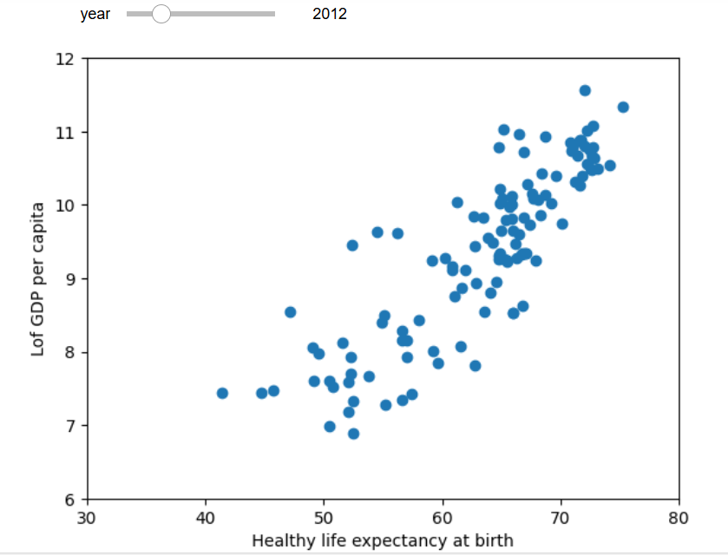
 |  |  |  |  | continent_poss = country_df['Continent'].unique() colors_dic={'Asia':'b', 'Europe':'g', 'Africa':'r', 'South America':'c', 'Oceania':'m', 'North America':'y', 'Antarctica':'k'} def plotyear(year): for continent in continent_poss: # BM1 and BM2 are filters BM1 = (country_df['year']==year) BM2 = (country_df['Continent']== continent) BM = BM1 & BM2 x = country_df[BM]['Healthy_life_expectancy_at_birth'] y = country_df[BM]['Log_GDP_per_capita'] plt.scatter(x,y, c=colors_dic[continent], marker='o', linewidth=0.5, edgecolors='w', label=continent) plt.xlabel('Healthy life expectancy at birth') plt.ylabel('Log GDP per capita') plt.xlim([30,80]) plt.ylim([6,12]) plt.legend() plt.show() interact(plotyear, year=widgets. IntSlider(min=2010, max=2019, step=1, value=2010)) | ddp pg149-150 | 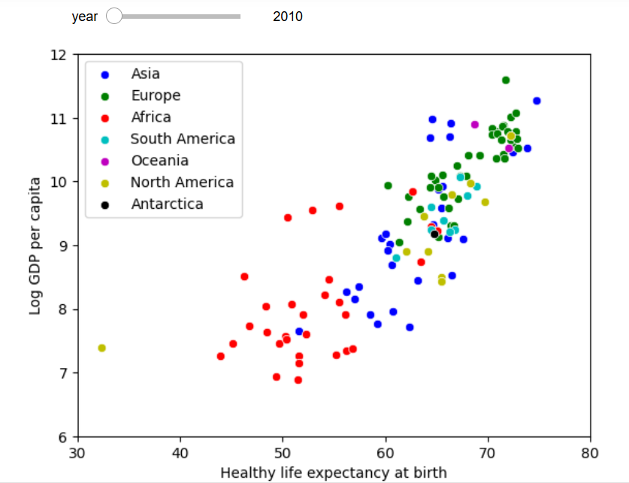
 | IntSlider() cont'd |  |  |  | continent_poss = country_df['Continent'].unique() colors_dic={'Asia':'b', 'Europe':'g', 'Africa':'r', 'South America':'c', 'Oceania':'m', 'North America':'y', 'Antarctica':'k'} country_df.sort_values(['population'], inplace = True, ascending=False) def plotyear(year): for continent in continent_poss: # BM1 and BM2 are filters BM1 = (country_df['year']==year) BM2 = (country_df['Continent']== continent) BM = BM1 & BM2 size = country_df[BM]['population']/200000 x = country_df[BM]['Healthy_life_expectancy_at_birth'] y = country_df[BM]['Log_GDP_per_capita'] plt.scatter(x,y, c=colors_dic[continent], marker='o', s = size, linewidth=0.5, edgecolors='w', label=continent) plt.xlabel('Healthy life expectancy at birth') plt.ylabel('Log GDP per capita') plt.xlim([30,80]) plt.ylim([6,12]) plt.legend(markerscale=0.5) plt.show() interact(plotyear, year=widgets. IntSlider(min=2010, max=2019, step=1, value=2010)) | ddp pg151-152 | 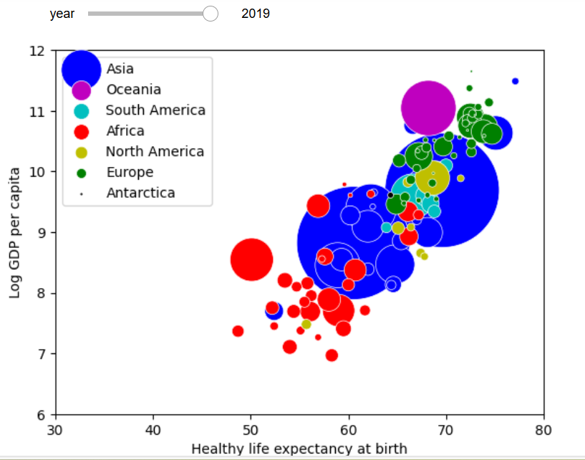
 | interact()

Mlxtend
type | Name | Arguments | Description | URL | Examples | Reference
from mlxtend.preprocessing import TransactionEncoder

Preprocessing | mlxtend.preprocessing.TransactionEncoder() | TransactionEncoder() | Encoder class for transaction data in Python lists | mlxtend/mlxtend/preprocessing/transactionencoder.py at master · rasbt/mlxtend · GitHub | # the unique values of the transaction set are put into columns # then the items within a transaction record are one hot encoded # each hot encoded column has true if yes, false if no for each original item in a record # then create a new dataframe (df_itemsets) for the new information encoder = TransactionEncoder() encoded_array = encoder.fit(transactions).transform(transactions) df_itemsets = pd.DataFrame(encoded_array, columns=encoder.columns_) | Python_for_Data_Science pg179
 | mlxtend.preprocessing.TransactionEncoder().columns_ | mlxtend.preprocessing.TransactionEncoder().columns_ | Return the column names | mlxtend/mlxtend/preprocessing/transactionencoder.py at master · rasbt/mlxtend · GitHub | df_itemsets = pd.DataFrame(encoded_array, columns=encoder.columns_) | Python_for_Data_Science pg179
 | mlxtend.preprocessing.TransactionEncoder().fit() | fit(X) | Learn unique column names from transaction DataFrame | mlxtend/mlxtend/preprocessing/transactionencoder.py at master · rasbt/mlxtend · GitHub | encoded_array = encoder.fit(transactions).transform(transactions) | Python_for_Data_Science pg179
 | mlxtend.preprocessing.TransactionEncoder().transform() | transform(X, sparse=False) | Transform transactions into a one-hot encoded NumPy array. | mlxtend/mlxtend/preprocessing/transactionencoder.py at master · rasbt/mlxtend · GitHub | encoded_array = encoder.fit(transactions).transform(transactions) | Python_for_Data_Science pg179

Frequent_patterns | mlxtend.frequent_patterns.apriori() | apriori( df, min_support=0.5, use_colnames=False, max_len=None, verbose=0, low_memory=False ) | Get frequent itemsets from a one-hot DataFrame | mlxtend/mlxtend/frequent_patterns/apriori.py at master · rasbt/mlxtend · GitHub | from mlxtend.frequent_patterns import apriori frequent_itemsets = apriori(df_itemsets, min_support=0.1, use_colnames=True) frequent_itemsets['length']=frequent_itemsets['itemsets'].apply(lambda itemset: len(itemset)) print(frequent_itemsets[frequent_itemsets['length']>=2]) | Python_for_Data_Science pg180-181
 | mlxtend.frequent_patterns.association_rules() | association_rules( df: pd.DataFrame, num_itemsets: Optional[int] = 1, df_orig: Optional[pd.DataFrame] = None, null_values=False, metric="confidence", min_threshold=0.8, support_only=False, return_metrics: list = _metrics, association_rules( df: pd.DataFrame, num_itemsets: Optional[int] = 1, df_orig: Optional[pd.DataFrame] = None, null_values=False, metric="confidence", min_threshold=0.8, support_only=False, return_metrics: list = _metrics, ) | Generates a DataFrame of association rules including the metrics 'score', 'confidence', and 'lift' | mlxtend/mlxtend/frequent_patterns/association_rules.py at master · rasbt/mlxtend · GitHub | from mlxtend.frequent_patterns import association_rules rules = association_rules(frequent_itemsets, metric="confidence", min_threshold=0.5) rules_plot = pd.DataFrame() rules_plot["antecedents"] = rules["antecedents"].apply(lambda x: ','.join(list(x))) rules_plot["consequents"] = rules["consequents"].apply(lambda x: ','.join(list(x))) rules_plot["lift"] = rules["lift"].apply(lambda x: round(x,2)) pivot = rules_plot.pivot(index="antecedents", columns="consequents", values="lift") | Python_for_Data_Science pg181-183

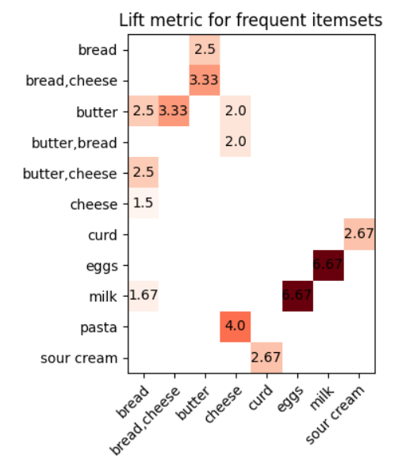
Heatmap Report of Lift |  | Python_for_Data_Science pg184
import matplotlib
import matplotlib.pyplot as plt
import numpy as np

fig, ax = plt.subplots()
im = ax.imshow(pivot, cmap='Reds')
ax.set_xticks(np.arange(len(consequents)))
ax.set_yticks(np.arange(len(antecedents)))
ax.set_xticklabels(consequents)
ax.set_yticklabels(antecedents)

plt.setp(ax.get_xticklabels(), rotation=45, ha="right",
rotation_mode="anchor")
for i in range(len(antecedents)):
for j in range(len(consequents)):
if not np.isnan(pivot[i,j]):
text = ax.text(j, i, pivot[i,j], ha="center", va="center")
ax.set_title("Lift metric for frequent itemsets")

fig.tight_layout()
plt.show()

Generating recommendations |  | Python_for_Data_Science pg186-187
butter_antecedent = rules[rules["antecedents"]=={'butter'}][['consequents','confidence']] \
.sort_values('confidence',ascending=False)
butter_consequents = [list(item) for item in butter_antecedent.iloc[0:3,:]['consequents']]
item = 'butter'
print('Items frequently bought together with', item , 'are:', butter_consequents)
#Values
Items frequently bought together with butter are: [['bread'], ['cheese'], ['bread', 'cheese']]

Planning discounts based on association rules |  | Python_for_Data_Science pg187-189
from functools import reduce
rules['itemsets'] = rules[['antecedents','consequents']].apply(lambda x:
reduce(frozenset.union,x), axis=1)
print(rules[['antecedents','consequents','itemsets']])
rules.drop_duplicates(subset=['itemsets'], keep='first', inplace=True)
discounted = []
others = []
for itemset in rules['itemsets']:
for i, item in enumerate(itemset):
if item not in others:
discounted.append(item)
itemset=set(itemset)
itemset.discard(item)
others.extend(itemset)
break
if i == len(itemset)-1:
discounted.append(item)
itemset = set(itemset)
itemset.discard(item)
others.extend(itemset)
print(discounted)
print(list(set(discounted))) #Values ['curd', 'cheese', 'milk', 'pasta', 'butter']

